Start!
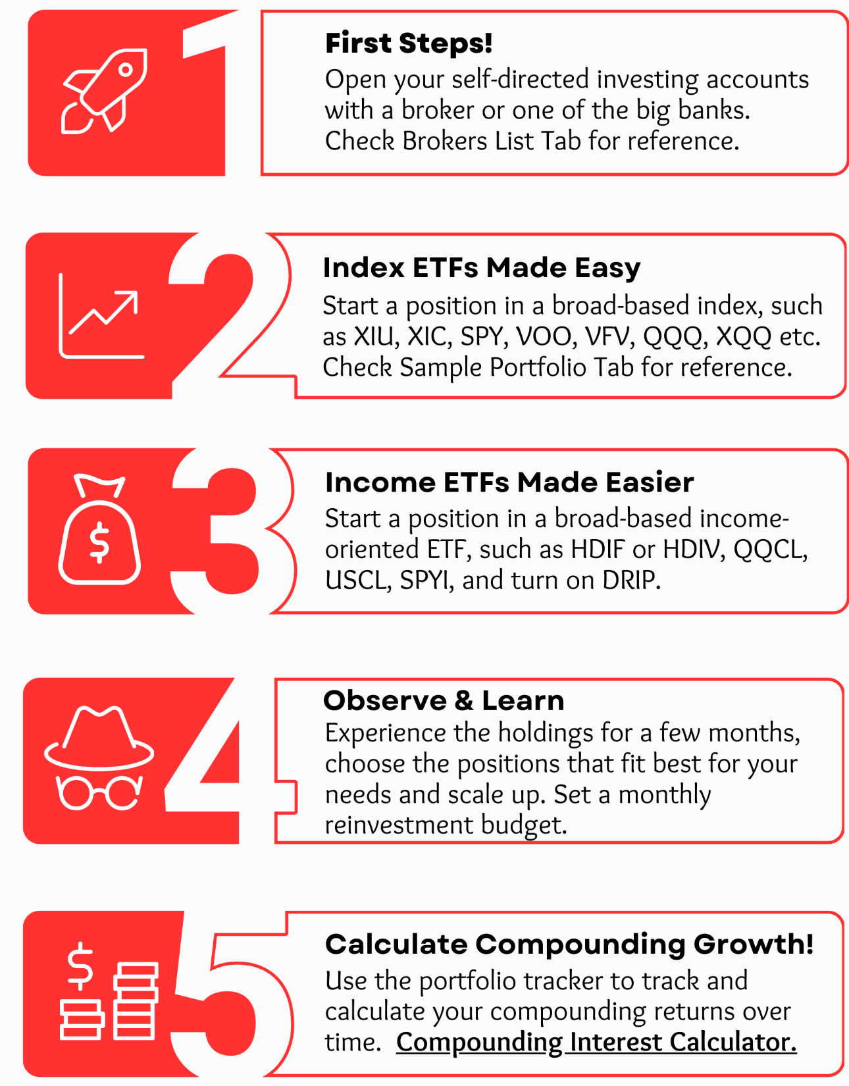
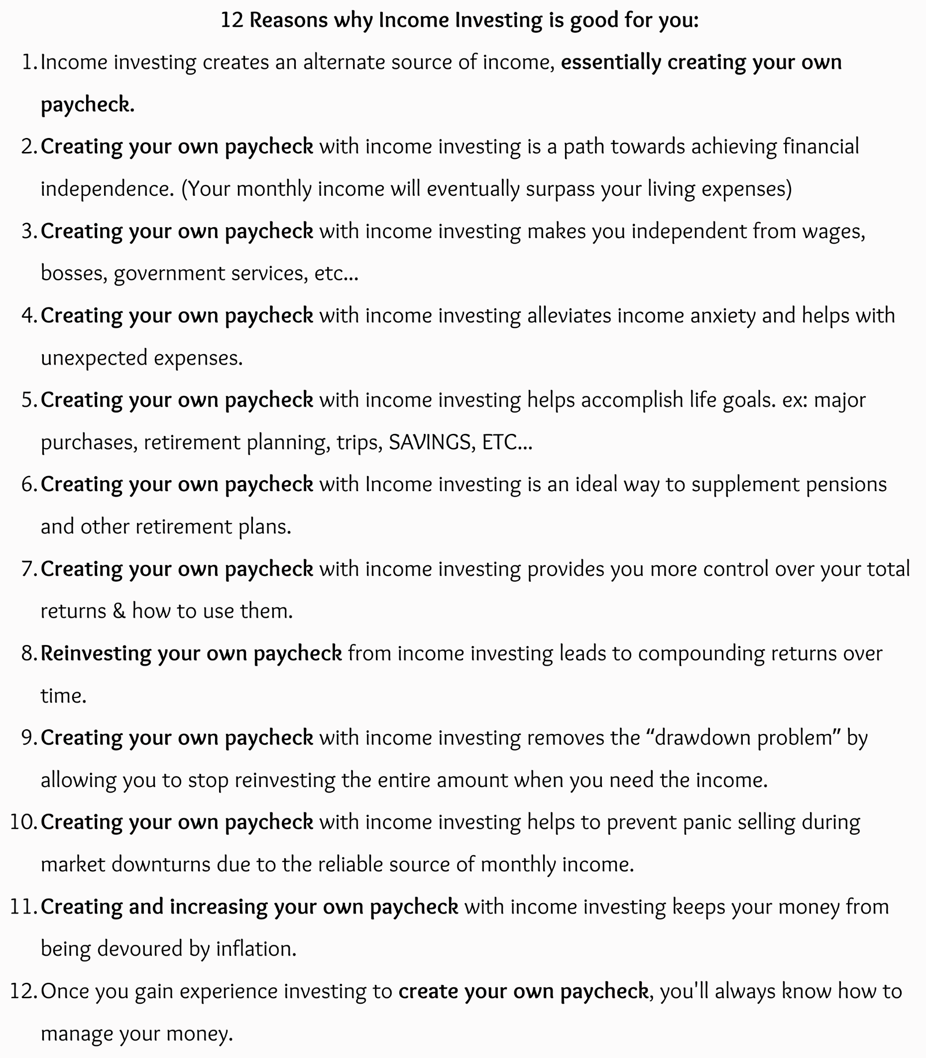
5 Ways To Start Investing!

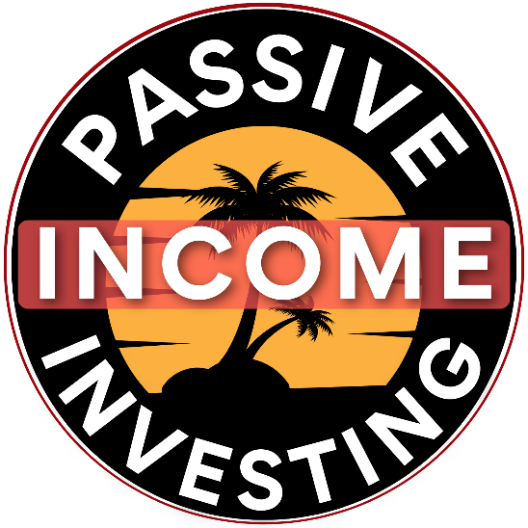

Link to Compounding Interest Calculator

 | *

Canadian Sample Portfolios
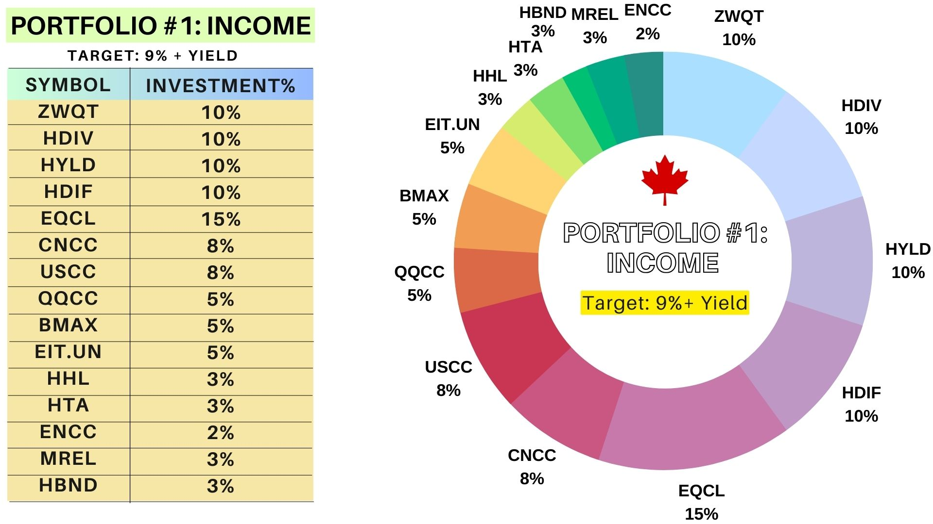
Portfolio #1 Income | Target: 9%+ Yield
This Sample Portfolio is an Income Oriented Portfolio for Beginners. It contains mostly Covered Call Diversified Funds (Leveraged & Unleveraged) across multiple Managers.This portfolio holds no Crypto or Split Funds (add them if desired). Note: There are Leveraged versions of USCC/CNCC/QQCC/ENCC/HHL/HTA
Fund | Fund Type | Symbol | Alternative Options | Fund details | Investment%
BMO - Global Enhanced Income Fund ETF* | ETF | ZWQT |  | BMOs "All in ONE" Covered Call ETF | 10%
Hamilton - Enhanced Multi-Sector Covered Call ETF*$ | ETF | HDIV |  | 6 Covered Call ETFs + 2 Growth ETFs | 10%
Hamilton - Enhanced U.S. Covered Call ETF*$ | ETF | HYLD |  | Various Covered Call ETFs | 10%
Harvest - Diversified Monthly Income ETF*$ | ETF | HDIF | HRIF | Various Harvest Covered Call ETFs | 10%
Horizons - Enhanced All-Equity Asset Allocation Covered Call*$ | ETF | EQCL |  | HEQT w/25% Leverage & Covered Calls | 15%
Horizons - Canadian Large Cap Equity Covered Call ETF* | ETF | CNCC | CNCL | TSX 60 w/Covered Calls | 8%
Horizons - US Large Cap Equity Covered Call ETF* | ETF | USCC | USCL | U.S. Large Caps w/Covered Calls | 8%
Horizons - NASDAQ-100 Covered Call ETF* | ETF | QQCC | QQCL | NASDAQ100 w/Covered Calls | 5%
Brompton - Enhanced Multi-Asset Income ETF*$ | ETF | BMAX | GDV | Bromptons "All in ONE" Income ETF | 5%
Canoe Financial - EIT Income Fund$ | CEF | EIT.UN |  | Mixed Sectors (North American Stocks) | 5%
Harvest - Healthcare Leaders Income* | ETF | HHL | FHI/LIFE/XLVE | Healthcare (Global) | 3%
Harvest - Tech Achievers Growth & Income ETF* | ETF | HTA | HTAE/TXF/TLF | Tech Stocks w/Coverd Calls | 3%
Horizons - Canadian Oil and Gas Equity Covered Call ETF* | ETF | ENCC | ENCL/NXF | Canadian Energy Stocks w/Covered Calls | 2%
Middlefield - Real Estate Dividend ETF | ETF | MREL | RS/RIT/VRE | Real Estate | 3%
Hamilton - U.S. Bond Yield Maximizer ETF* | ETF | HBND | HPYT/LPAY | Covered Calls on U.S. Government Bonds | 3%
 |  |  |  |  | 100%
* Fund uses the Covered Call Strategy $ Fund uses Leverage

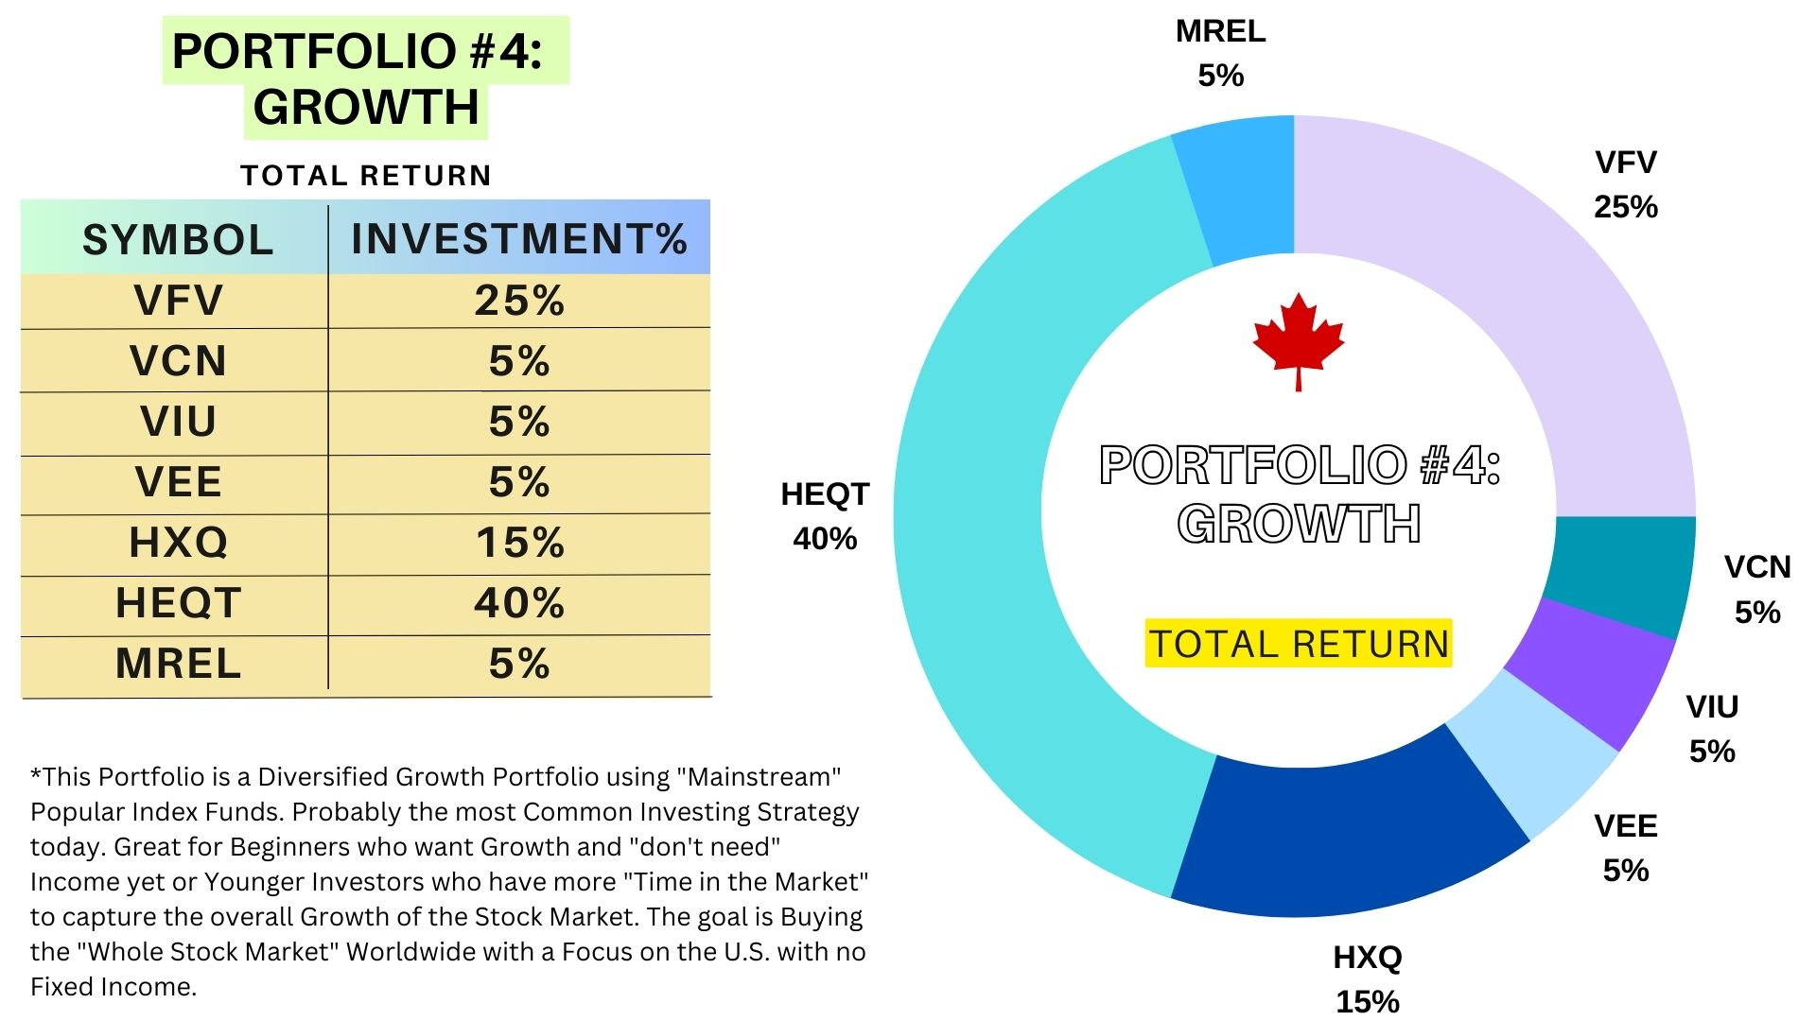
Portfolio #4 Growth (Total Return)
This Sample Portfolio is a Diversified Growth Portfolio using "Mainstream" Popular Index Funds. Probably the most Common Investing Strategy today. Great for Beginners who want Growth and "don't need" Income yet or Younger Investors who have more "Time in the Market" to capture the overall Growth of the Stock Market. The goal is Buying the "Whole Stock Market" Worldwide with a Focus on the U.S. with no Fixed Income
Fund | Fund Type | Symbol | Alternative Options | Fund details | Investment%
Vanguard - S&P 500 Index | ETF | VFV | HULC/HSX | S&P 500 Index Overall U.S. Stock market) | 25%
Vanguard - FTSE Canada All Cap Index | ETF | VCN | HXT/XIU | Canadian Stock Market Index | 5%
Vanguard - FTSE Developed All Cap ex North America Index | ETF | VIU | VI | Developed Economies outside of North America | 5%
Vanguard - FTSE Emerging Markets All Cap Index | ETF | VEE |  | Captures Exposure to Emerging Markets | 5%
Horizons - NASDAQ-100® Index ETF | ETF | HXQ | XQQ/ZNQ | Nasdaq 100 Index (Tech Heavy) | 15%
Horizons - All-Equity Asset Allocation | ETF | HEQT | VEQT/XEQT | "All in one" Equity ETF | 40%
Middlefield - Real Estate Dividend ETF | ETF | MREL | VRE/XRE/ZRE | Real Estate | 5%

 |  |  |  |  | 100%
Feel Free to add other Popular Index Funds from Vanguard, iShares etc. as you see fit. Note that there are 4 "ALL IN ONE" Growth ETFs out there that capture the entire Global Markets: ZEQT, XEQT, VEQT, HEQT, HEQL (HEQT + 25%Leverage)

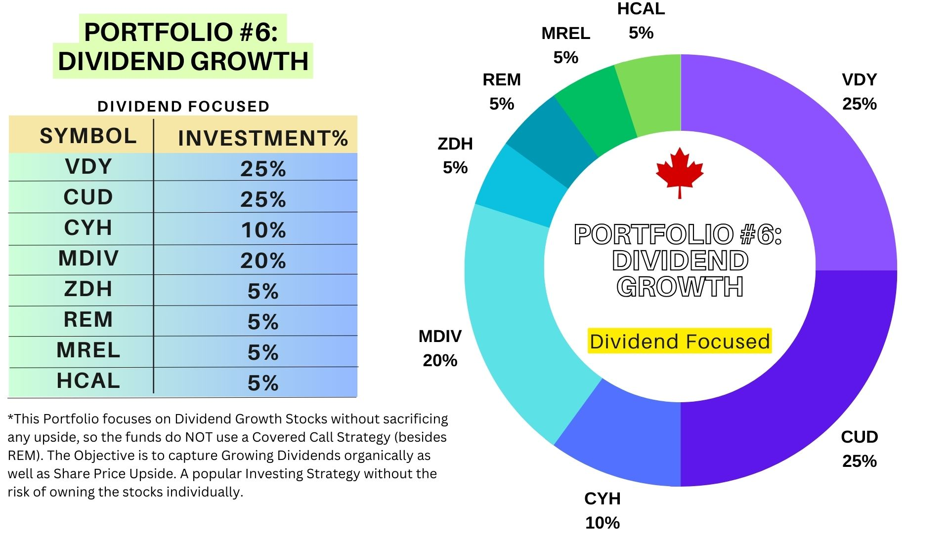
Portfolio #6 Dividend Growth
This Sample Portfolio focuses on Dividend Growth Stocks without sacrificing any upside, so the funds do NOT use a Covered Call Strategy (besides REM). The Objective is to capture Growing Dividends organically as well as Share Price Upside. A popular Investing Strategy without the risk of owning the stocks individually
Fund | Fund Type | Symbol | Alternative Options | Fund details | Investment%
Vanguard FTSE Canadian High Dividend Yield Index | ETF | VDY | XEI/CDZ | Mixed Sectors (Canadian Dividend Stocks) | 25%
iShares - US Dividend Growers Index ETF (CAD-Hedged) | ETF | CUD | VGG/XHU | Mixed Sectors (U.S. Dividend Stocks) | 25%
iShares Global Monthly Dividend Index ETF (CAD-Hedged) | ETF | CYH | XDG | Mixed Sectors (280+ Global Dividend Stocks) | 10%
Middlefield - Sustainable Global Dividend ETF | ETF | MDIV |  | Mixed Sectors (Global Dividend Stocks) | 20%
BMO International Dividend | ETF | ZDH | PID | Mixed Sectors (International Dividend Stocks) | 5%
Purpose Emerging Markets Dividend Fund | ETF | REM | HAJ | Mixed Sectors (Emerging Market) | 5%
Middlefield - Real Estate Dividend ETF | ETF | MREL | VRE/XRE/ZRE | Real Estate | 5%
Hamilton - Canadian Bank 1.25x Leverage | ETF | HCAL | HFIN | Financial (Canadian 6 Banks) | 5%

 |  |  |  |  | 100%
Feel free to lower or raise % on which regions you want to focus on as well as the % on MREL (Real estate exposure) Note: Middlefield has some cool "Dividend focused" ETFs that focus on specific sectors. See ETF TAB

Purchase the Ultimate DIY Investing Package for additional Sample Portfolios and more!

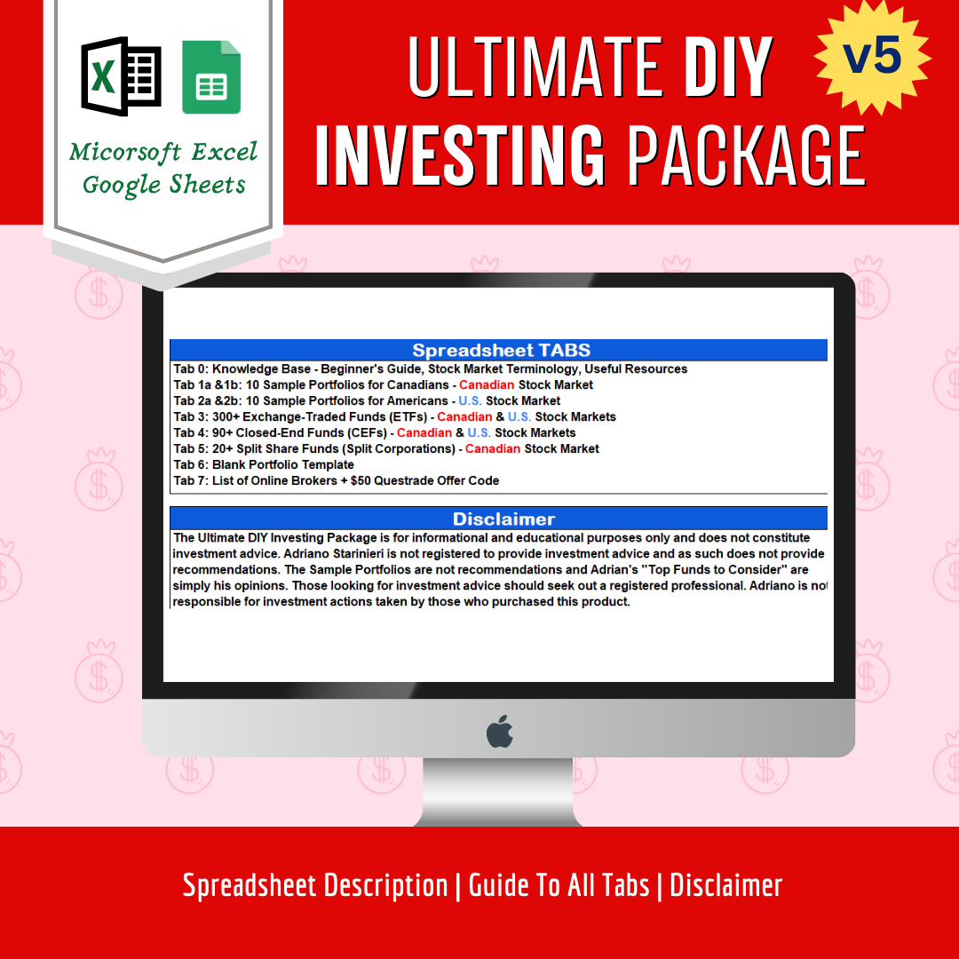
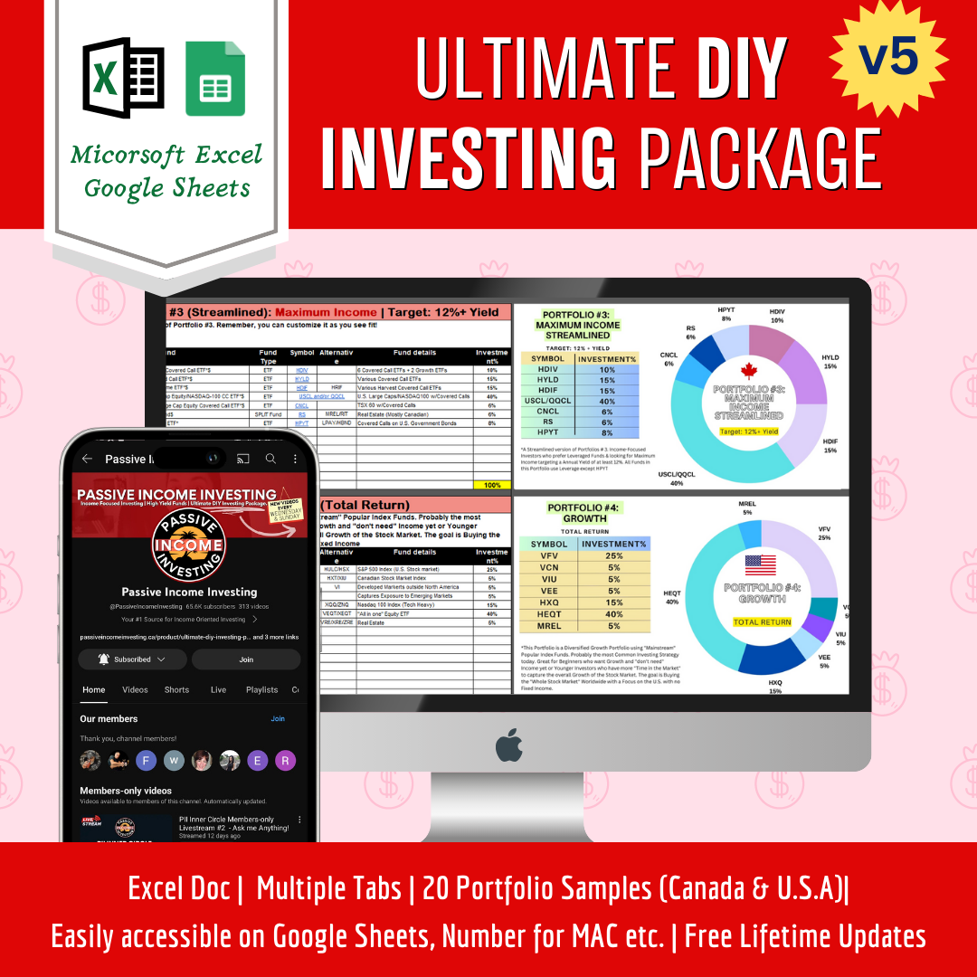

U.S. Sample Portfolios
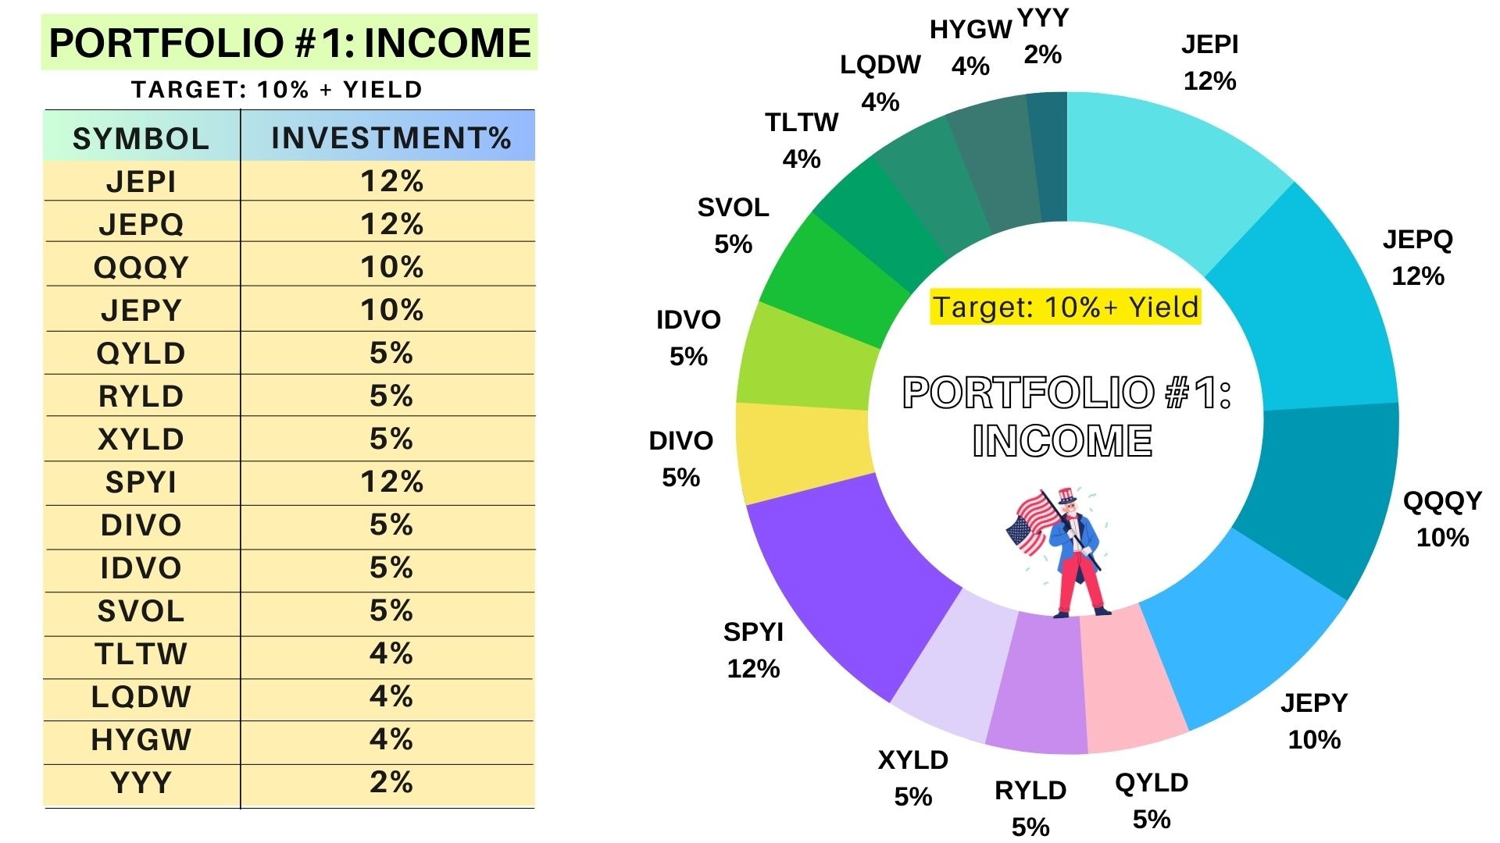
Portfolio #1 Income | Target: 10%+ Yield
This Sample Portfolio is an Income Oriented Portfolio for Beginners. Streamlined Version below if you want less holdings. Contains no Crypto but feel free to add MAXI or BITO if desired. Contains no Closed-end Funds but feel free to add any you like (see TAB 4).
Fund | Fund Type | Symbol | Alternative Options | Stock details | Investment%
JPMorgan - Equity Premium Income ETF* | ETF | JEPI | XYLD/SPYI/JEPY | S&P 500 Stocks w/Covered Calls | 12%
JPMorgan - Nasdaq Equity Premium Income ETF* | ETF | JEPQ | QYLD/QQQY | NASDAQ 100 Stocks w/Covered Calls | 12%
Defiance - Nasdaq 100 Enhanced Option Income ETF* | ETF | QQQY | QYLD/JEPQ | NASDAQ 100 Stocks w/Covered Calls | 10%
Defiance - S&P 500 Enhanced Option Income ETF* | ETF | JEPY | JEPI/SPYI/XYLD | S&P 500 Stocks w/Covered Calls | 10%
Global X - Nasdaq 100 Covered Call* | ETF | QYLD | JEPQ/QQQY | NASDAQ 100 w/Covered Calls | 5%
Global X - Russell 2000 Covered Call* | ETF | RYLD | IWMY | Russell 2000 w/Covered Calls | 5%
Global-X - S&P 500 Covered Call* | ETF | XYLD | SPYI/JEPI/JEPY | S&P 500 w/Covered Calls | 5%
NEOS - S&P 500 High Income ETF* | ETF | SPYI | JEPY/JEPI/XYLD | S&P 500 w/Covered Calls | 12%
Amplify - CWP Enhanced Dividend Income ETF* | ETF | DIVO | SPYI/JEPI/JEPY | S&P 500 Stocks w/Covered Calls | 5%
Amplify - International Enhanced Dividend Income ETF* | ETF | IDVO |  | International dividend-paying stocks w/Covered Calls | 5%
Simplify - Volatility Premium ETF | ETF | SVOL |  | VIX Premiums | 5%
iShares 20+ Year Treasury Bond BuyWrite Strategy ETF* | ETF | TLTW |  | Covered Calls on U.S. Government Bonds | 4%
iShares Investment Grade Corporate Bond BuyWrite Strategy ETF* | ETF | LQDW |  | Covered Calls on U.S. Investment Grade Corp. Bonds | 4%
iShares High Yield Corporate Bond BuyWrite Strategy ETF* | ETF | HYGW |  | Covered Calls on U.S. High Yield Bonds | 4%
Amplify - High Income ETF | ETF | YYY | CEFS/HIPS | "All in one" Closed-end Fund Solution | 2%
 |  |  |  |  | 100%
* Fund uses the Covered Call Strategy $ Fund uses Leverage

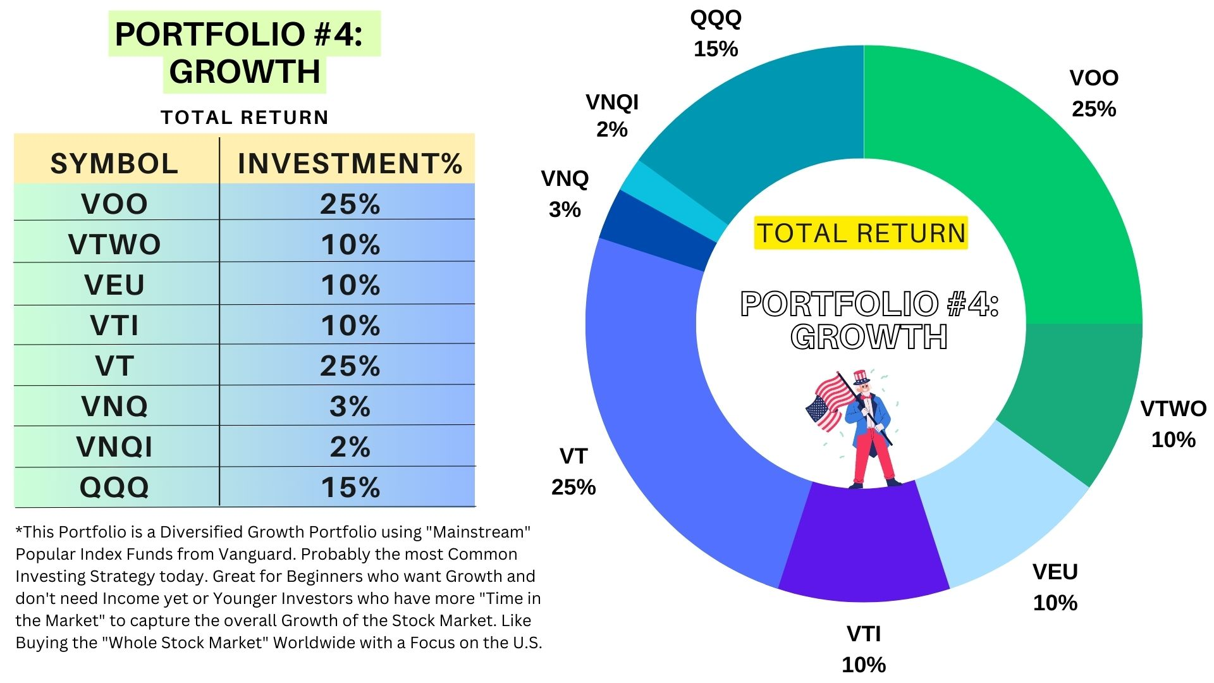
Portfolio #4 Growth (Total Return)
This Sample Portfolio is a Diversified Growth Portfolio using Popular Index Funds from Vanguard. Probably the most Common Investing Strategy today. Great for Beginners who want Growth and don't need Income yet or Younger Investors who have more "Time in the Market" to capture the overall Growth of the Stock Market. Like Buying the "Whole Stock Market" Worldwide with a Focus on the U.S.
Fund | Fund Type | Symbol | Alternative Options | Stock details | Investment%
Vanguard S&P 500 ETF | ETF | VOO | IVV/SPY | Mixed Sectors (S&P 500 Index) | 25%
Vanguard Russell 2000 ETF | ETF | VTWO | IWM | Mixed Sectors (U.S. Russell 2000 Index) | 10%
Vanguard FTSE All-World ex-US ETF | ETF | VEU | ACWX | Mixed Sectors (Developed & Emerging outside the U.S.) | 10%
Vanguard Total Stock Market ETF | ETF | VTI | ITOT | Mixed Sectors (Entire U.S. Stock Market) | 10%
Vanguard Total World Stock ETF | ETF | VT |  | Mixed Sectors (Worldwide) | 25%
Vanguard Real Estate Index Fund | ETF | VNQ | IYR | Real Estate (U.S.) | 3%
Vanguard Global ex-U.S. Real Estate ETF | ETF | VNQI | REET/IFGL | Real Estate (Non-U.S.) | 2%
Invesco QQQ Trust | ETF | QQQ | XQQ | Mixed Sectors (Nasdaq 100 Index) | 15%

 |  |  |  |  | 100%
Feel Free to add other Popular Index Funds from Vanguard or iShares as you see fit. Note that the VT ETF captures the entire Global Markets in one ETF

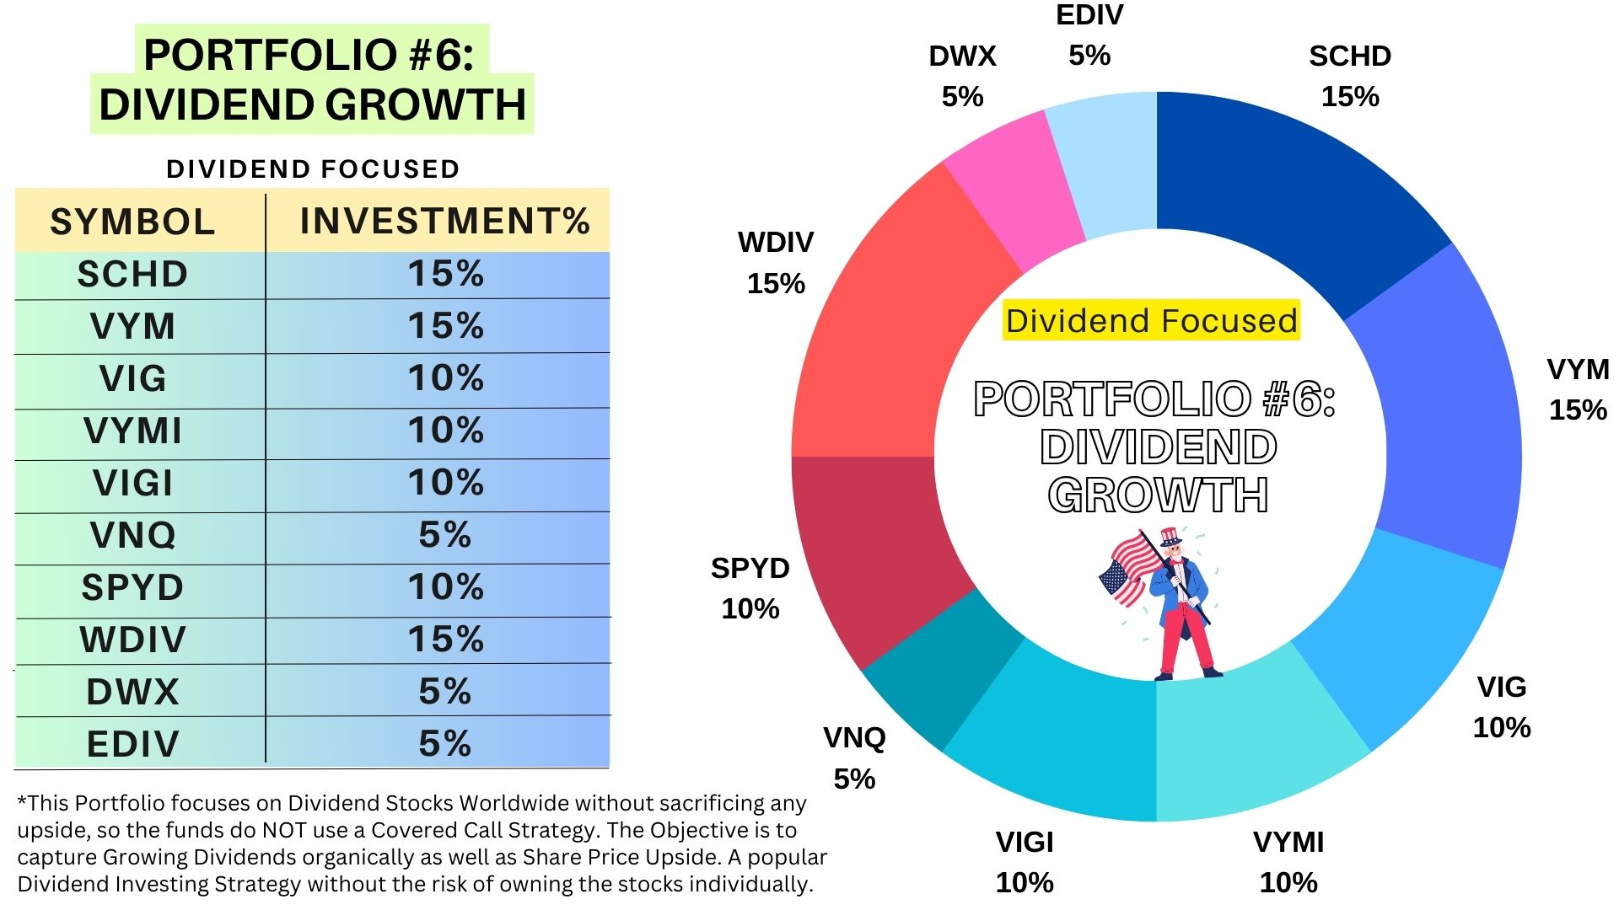
Portfolio #6: Dividend Growth (Dividend Focused)
This Sample Portfolio focuses on Dividend Stocks Worldwide without sacrificing any upside, so the funds do NOT use a Covered Call Strategy. The Objective is to capture Growing Dividends organically as well as Share Price Upside. A popular Dividend Investing Strategy without the risk of owning the stocks individually
Fund | Fund Type | Symbol | Alternative Options | Stock details | Investment%
Schwab U.S. Dividend Equity ETF | ETF | SCHD |  | Mixed Sectors (Quality U.S. Dividend Stocks) | 15%
Vanguard High Dividend Yield ETF | ETF | VYM | HDV | Mixed Sectors (U.S. High Dividend Stocks) | 15%
Vanguard Dividend Appreciation | ETF | VIG | DGRO | Mixed Sectors (U.S. Dividend Growers Stocks) | 10%
Vanguard International High Dividend Yield ETF | ETF | VYMI | IDV/IGRO | Mixed Sectors (International Non-U.S. Dividend Stocks) | 10%
Vanguard International Dividend Appreciation ETF | ETF | VIGI | IGRO | Mixed Sectors (International Non-U.S. Dividend Stocks) | 10%
Vanguard Real Estate Index Fund | ETF | VNQ | IYR | Real Estate (U.S.) | 5%
SPDR® Portfolio S&P 500® High Dividend ETF | ETF | SPYD | HDV | Mixed Sectors (U.S. High Dividend Stocks) | 10%
SPDR® S&P® Global Dividend ETF | ETF | WDIV |  | Mixed Sectors (Global Dividend Stocks) | 15%
SPDR® S&P® International Dividend ETF | ETF | DWX | IDV/IGRO | Mixed Sectors ((International Dividend Stocks) | 5%
SPDR® S&P Emerging Markets Dividend ETF | ETF | EDIV | DVYE | Mixed Sectors (Emerging Markets Dividend Stocks) | 5%

 |  |  |  |  | 100%
Note: There are many "Dividend" Focused ETFs on the Market. Feel free to also search the Blackrock iShares and/or other Providers There is "overlap" with some of these ETFs, so you can always customize your portfolio in case you like one Fund Manager over another

Purchase the Ultimate DIY Investing Package for additional Sample Portfolios and more!

